Dashboard

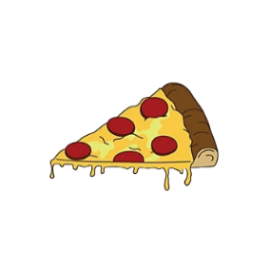
Total Revenue
Total Pizzas Sold
Total Orders
Avg. Order Value
Avg. Pizzas Per Order
PIZZA SALES
$817,860
49,574
21,350
$38.31
2.32

Buiest Days & Hours
Daily Trend for Total Orders
Hourly Trend for Total Orders
 | orders
Sunday | 2624
Monday | 2794
Tuesday | 2973
Wednesday | 3024
Thursday | 3239
Friday | 3538
Saturday | 3158
 | orders
9 | 1
10 | 8
11 | 1231
12 | 2520
13 | 2455
14 | 1472
15 | 1468
16 | 1920
17 | 2336
18 | 2399
19 | 2009
20 | 1642
21 | 1198
22 | 663
23 | 28

Days:
Order are highest on weekends, Friday/Saturday.
Hours:
There are maximum orders from 12-01pm & after 5-8pm.

Sales by Category & Size
% of Sales by Pizza Category
Small | 21.77%
XX-Large | 0.12%
X-Large | 1.72%
Medium | 30.49%
Large | 45.89%
Supreme | 0.2546
Chicken | 0.2396
Veggie | 0.2368
Classic | 0.2691
Daily Trend for Total Orders

Category:
Classic Category contributes to the largest % of revenues
Size:
Large size pizza contribute to the largest % of revenues.

Best & Worst Sellers
Top 5 Best Sellers by Revenue
Bottom 5 Worst Sellers by Revenue
Best Sellers for Each Category
The Spinach Pesto Pizza | 15596
The Mediterranean Pizza | 15361
The Spinach Supreme Pizza | 15278
The Green Garden Pizza | 13956
The Brie Carre Pizza | 11589
The Spicy Italian Pizza | 34831
The Classic Deluxe Pizza | 38181
The California Chicken Pizza | 41410
The Barbecue Chicken Pizza | 42768
The Thai Chicken Pizza | 43434
Chicken
The Barbecue Chicken Pizza
Classic
The Classic Deluxe Pizza
Best:
The Thai Chicken Pizza is the seller with highest revenue.
Hours:
The Brie Carre Pizza is at the bottom in revenue.

Supreme
The Spicy Italian Pizza
Veggie
The Four Cheese Pizze

